2.Class Summary
Classroom Summary
Class Summary for | 0 | 0
Do not enter data directly in this sheet. Print this worksheet and use the information in the table below to fill out your pyramid, copying how many students are in each tier into the boxes to the left of the pyramid.
Chronic Absence Tier | Number of Students
Tier 3: Severe chronic absence (missing 20% or more of total school days) | 0 | Students
Tier 2: Moderate chronic absence (missing 10-19.9% of total school days) | 0 | Students
Tier 1b: At risk attendance (missing 5-9.9% of total school days) | 0 | Students
Tier 1a: Satisfactory attendance (missing less than 5% of total school days) | 0 | Students

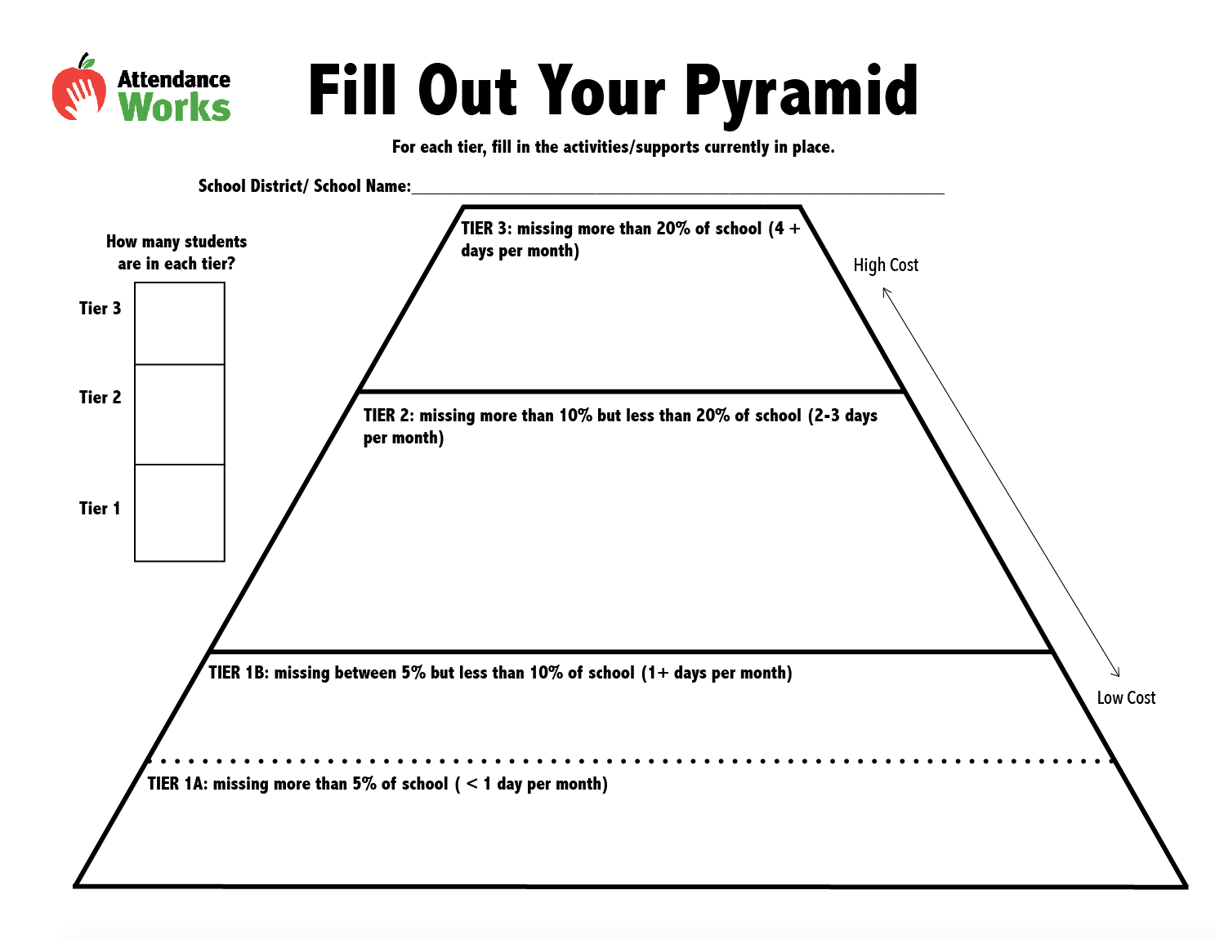
 |  |  | Tier 3: Severe Chronic Absence | Tier 2: Moderate Chronic Absence | Tier 1b: At-Risk Attendance | Tier 1a: Satisfactory Attendance
 |  |  | 0 | 0 | 0 | 0

